Application Screen
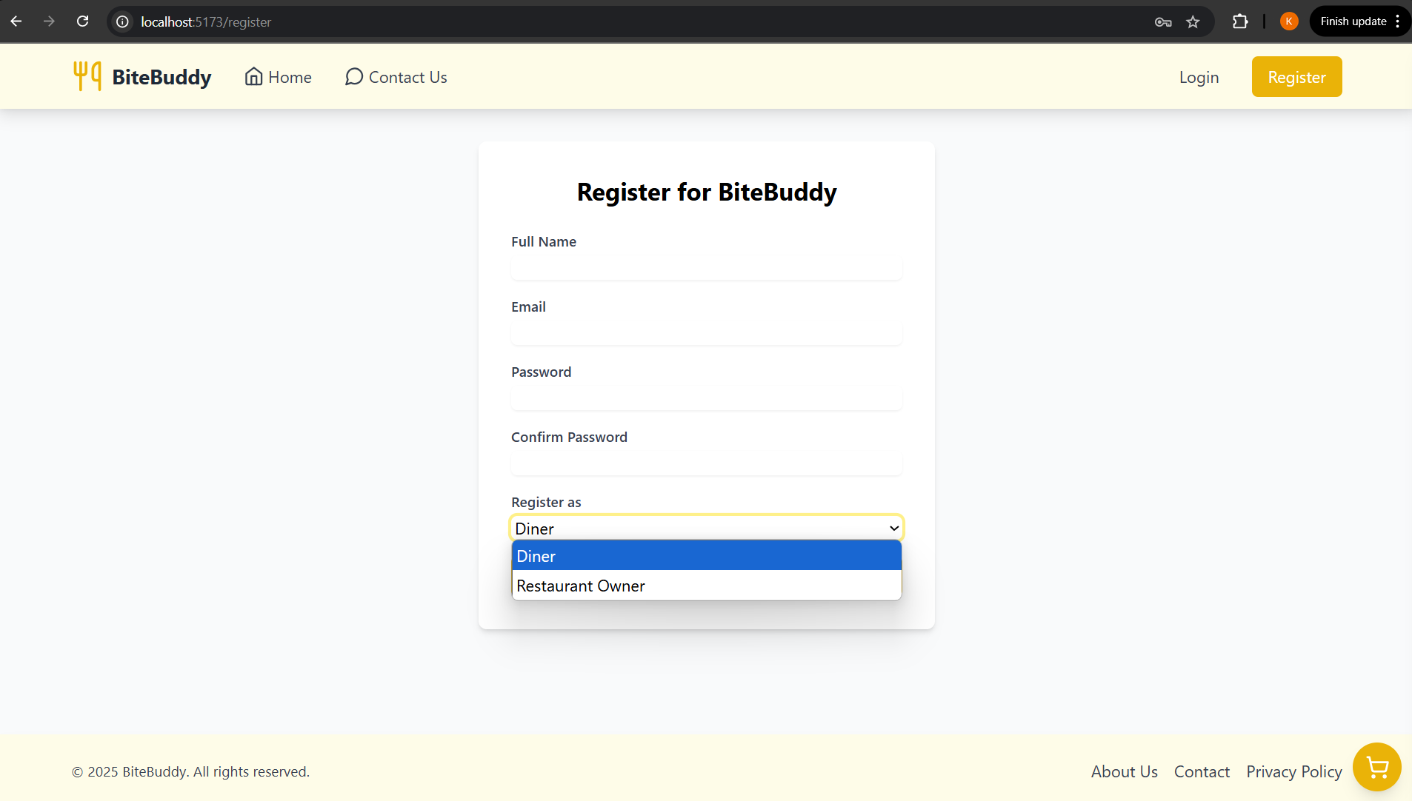

Registration Screen where user can select Diner or Restaurant.

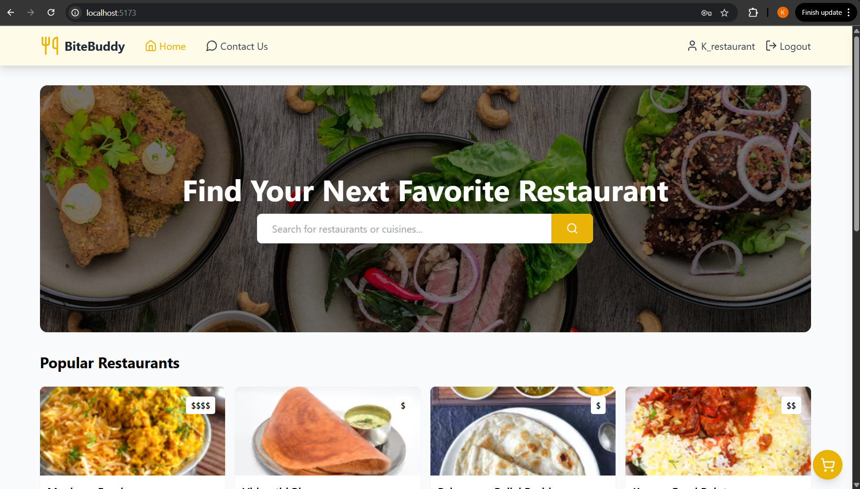


 | Login with Restaurant | Login with Diner

